Sign-up API Defects Logs
Project Name | Eyan Food Cafe
Module | Sign-up API Defects Logs
Build | V- 1.0
Test Manager | James Ian Largo
Date of Creation | 2/22/2026

Bug ID | Related Test Scenario | Related Test Case | Summary | Steps to Reproduce | Expected | Actual Result | Screenshot
DEF-001 | API-TS-003 | TC-003 | User successfully registered using invalid email format | 1. Open postman 2. Select HTTP method to GET 3. Click Body → Select form data 4. Enter First name: James 5. Enter Last name: Largo 6. Enter Email: invalid-email 7. Enter Password: !Password@123 8. Upload Profile picture: profile.jpg 9. Click Send | 400 Bad Request, invalid email format error | 201, Created. User registered successfully
DEF-002 | API-TS-005 | TC-005 | Server accepted weak password | 1. Open postman 2. Select HTTP method to GET 3. Click Body → Select form data 4. Enter First name: James 5. Enter Last name: Largo 6. Enter Email: weakpass@test.com 7. Enter Password: 12345 8. Upload Profile picture: profile.jpg 9. Click Send | 400 Bad Request, password policy validation error | 201, Created. User registered successfully
DEF-003 | API-TS-007 | TC-007 | Server accepted minimum length inputs | 1. Open postman 2. Select HTTP method to GET 3. Click Body → Select form data 4. Enter First name: J 5. Enter Last name: D 6. Enter Email: minlength@test.com 7. Enter Password: Pass@1 8. Upload Profile picture: profile.jpg 9. Click Send | 400 Bad Request for below minimum inputs | 201, Created. User registered successfully | 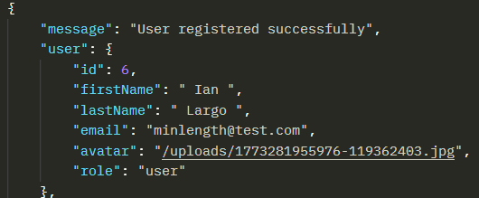
DEF-004 | TC-008 | API-TS-008 | Server accepts inputs with trail spaces | 1. Open postman 2. Select HTTP method to GET 3. Click Body → Select form data 4. Enter First name: Ian 5. Enter Last name: Largo 6. Enter Email: trim@test.com 7. Enter Password: Password@123 8. Upload Profile picture: profile.jpg 9. Click Send | 201 Created, values stored without extra spaces | User’s data being saved with trail spaces | 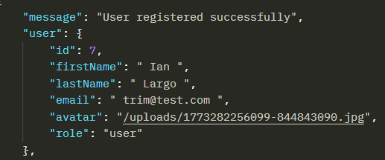
DEF-005 | TC-010 | API-TS-010 | Proper HTTP validation message must be visible | 1. Open postman 2. Select HTTP method to GET 3. Click Body → Select form data 4. Enter First name: Ian 5. Enter Last name: Largo 6. Enter Email: trim@test.com 7. Enter Password: Password@123 8. Upload Profile picture: profile.jpg 9. Click Send | 405 Method Not Allowed | 200 OK, | 